Module 1
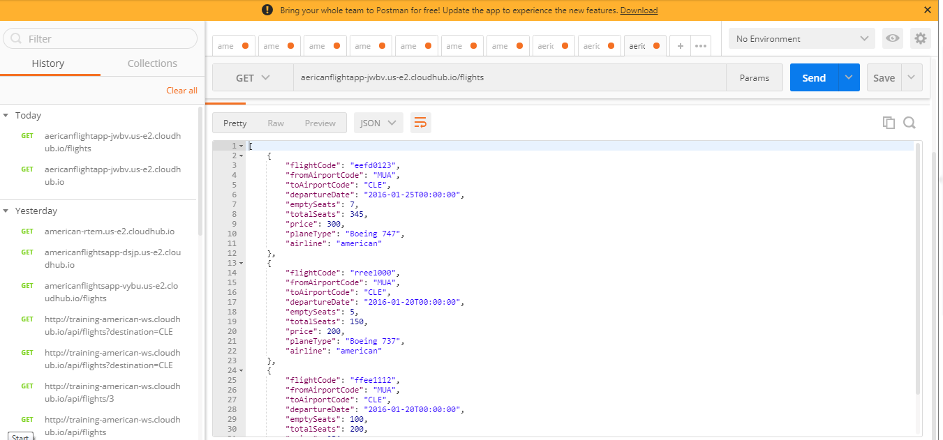
 |  | Creating an integration application with flow designer that consumes an API

Before Execution:
 | > Using American Flight API getting flights details with destination "CLE"

After execution
 | > Listing all flight details whose destination is "CLE"
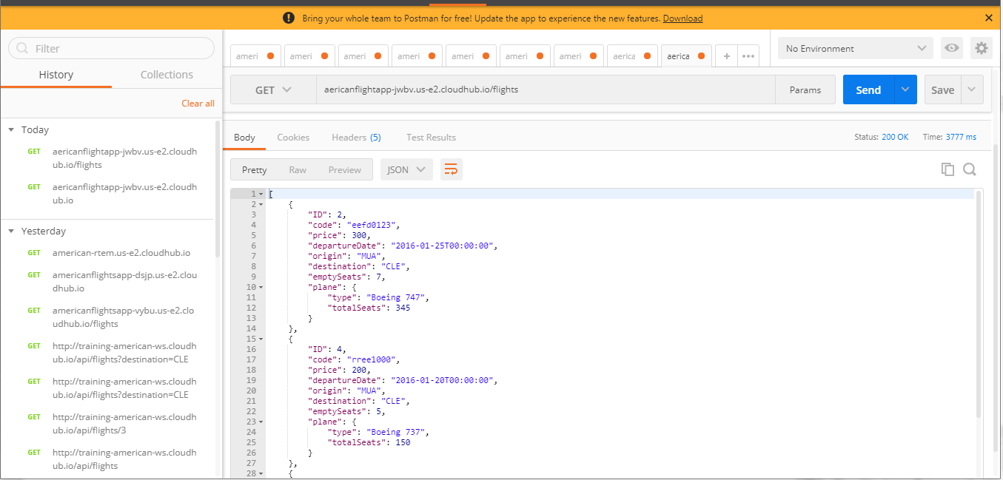

Configuring a component to transform data

Module 2
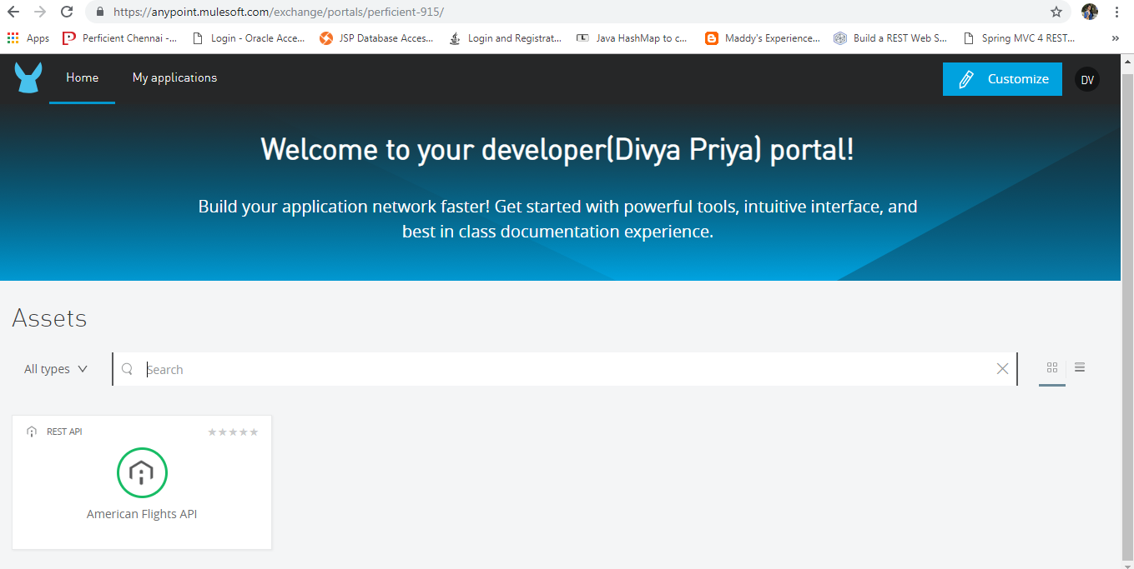
 | Designing API

Used API Designer to define API with RAML

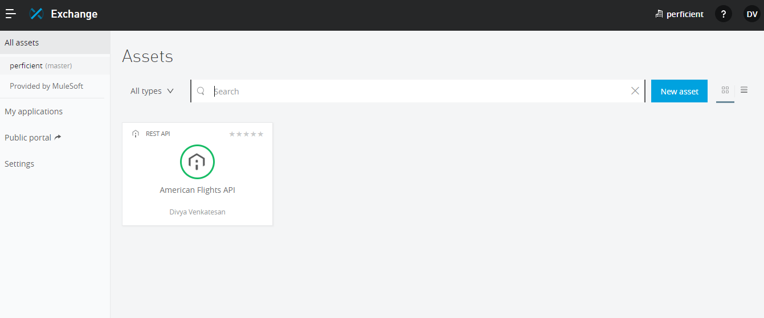

Shared Created API in Public Portal

